1. Title Page
Project Name: Instacart Grocery Basket Analysis
Date: 11-04-2023
Analyst Name: Myra Ahsan

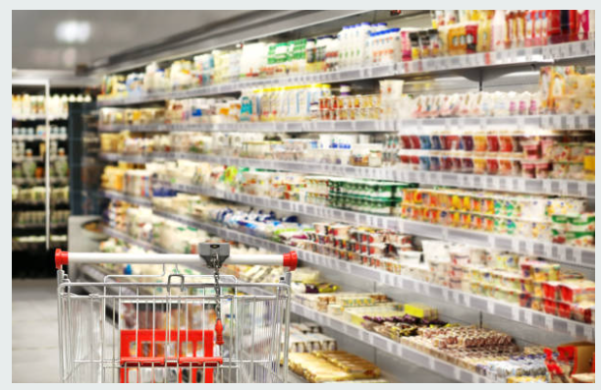

Contents:
Population Flow
Consistency checks
Wrangling steps
Column derivations
Visualizations
Recommendations

Data Source
“The Instacart Online Grocery Shopping Dataset 2017”, accessed from https://www.instacart.com/datasets/grocery-shopping-2017 on 10-03-2023

2. Population Flow
Title page

Population flow

Exclusion flag
Condition: max_order < 5
Obervations to be removed: 1441570
Final total count of order_products_all: 30993489
206209
32434489
49693
3421083

49672
206209
3421083
32434489

Orders_products_combined
Orders_products_merged
Orders_products_all

Total:
Total:
32434489
32435070
Total:
32435059

1.) The grey boxes in the first row of the population flow represent the original data sets as they were when you downloaded them. In the Total fields you need to add the count of the rows when you imported the data set into Jupyter.
2.) The second row of boxes (coloured) represents the data sets after you manipulated them, e.g., removed missing values and duplicates. In the Total fields you need to add the count of the rows after conducting these operations. This offers a visual oveview of how the data flows throughout the data consistency checks.
3.) The third row, where also the arrows are coloured, represents the merges you performed between the datasets. In the Total fields you need to add the count of the rows in the merged datasets, so that you end up with the final dataset (in the red box). Keep in mind the final dataset should be without exclusions (based on the exclusion flag).

3. Consistency checks
 |  |  |  | Title page
Consistency checks

Dataset | Missing values | Missing values treatment | Duplicates
orders | 206209 missing values in the column 'days_since_prior_order' | No action was taken since it is not an error in the data. For all these values the order number is 1. This means that these are new customers that are ordering for the first time, that is why the value in 'days_since_prior_order' is null, since it cannot be applied to these customers. | None
products | 16 missing values | Missing values were removed from the table | There were 5 duplicates that were removed
orders_products_prior | None | N/A | None
customers | None | N/A | None

4. Wrangling steps
 |  |  |  |  | Title page
Wrangling steps

Dataset | Columns dropped | Columns renamed | Columns' type changed | Comment/Reason
Orders |  |  | order_id' was changed from integer to string | It doesn't need to be included in the analysis as a numeric value, as it does not hold any importance as a number but it is more of an 'id' of the order
 |  | order_dow' to 'orders_day_of_week' |  | The previous name was unintutive
 | eval_set' was dropped |  |  | This column was unnecessary and did not need this for further analysis
Customers | First Name' & 'Surnam' were dropped |  |  | Names of the customers were deleted so that there are no security implications.
 |  | The following column names were changed: 'STATE' to 'state', 'fam_status' to 'marital_status', 'Gender' to 'gender', 'Age' to 'age', 'n_dependants' to 'number_of_dependants |  | Column names were renamed so that their names are more intutive.
 |  |  | user_id' was changed from integer to string | It doesn't need to be included in the analysis as a numeric value, as it does not hold any importance as a number but it is more of an 'id' of the customer
Products | Unnamed: 0' was dropped |  |  | This column was unnecessary and did not need this for further analysis

5. Column derivations
 |  |  |  | Title page

Column derivations and aggregations

In this tab you should add tables below that the frequences of flags/label variables that you produced after deriving them. NB: don't do this for continuous variables, only for flags.
Dataset | New column | Column/s it was derived from | Conditions
orders_products_merged | price_range | prices | If prices are less than or equal to 5 than return 'Low-range product'. If the prices are greater than 5 but less than or equal to 15 than return 'Mid-range product', otherwise return 'High-range'
orders_products_merged | busiest_day | order_day_of_week | If value in 'order_day_of_week' is equal to 0 then return 'Busiest day'. If the value is equal to 4 then return 'Least busy', otherwise return 'Regularly busy'
orders_products_merged | busiest_days_of_week | order_day_of_week | If values in 'order_day_of_week' are equal to 0 or 1 then return 'Busiest days'. If the values are equal to 4 or 3 then return 'Least busy days', otherwise return 'Regularly busy days'
orders_products_merged | busiest_period_of_day | order_hour_of_day | If values in 'order_hour_of_day' were equal to 10 to 16 or19 then return 'Most orders. If values are 7, 8 or 17 to 22 then return 'Average orders', otherwise return 'Fewest orders'
orders_products_merged2 | loyalty_flag | max_order | If max_order is greater than 40 then return 'Loyal customer'. If it is less than or equal to 10, then return 'New customer'. Otherwise return 'Regular customer'
orders_products_merged3 | spending_flag | avg_order | If average order of a customer is less than 10, return 'Low spender'. If it is greater or equal to 10 then return 'High spender'
orders_products_merged3 | Order_freq_flag | median_days_order | If median_days_order is less than or equal to 10, return 'Frequent customer'. If it is greater than 20 then return 'Non-frequent customer', otherwise return 'Regular customer'

6. Visualizations
 |  |  |  |  |  |  |  |  | Title page

Visualisations

In this tab you should include all the visualtions from Exercises 4.9 and 4.10, alongside the questions from the project brief that they answer. Include any commentary on the relationship between different variables.

The sales team needs to know what the busiest days of the week and hours of the day are (i.e., the days and times with the most orders) in order to schedule ads at times when there are fewer order

 |  | Order day of the week |  |  | Order hour of the day

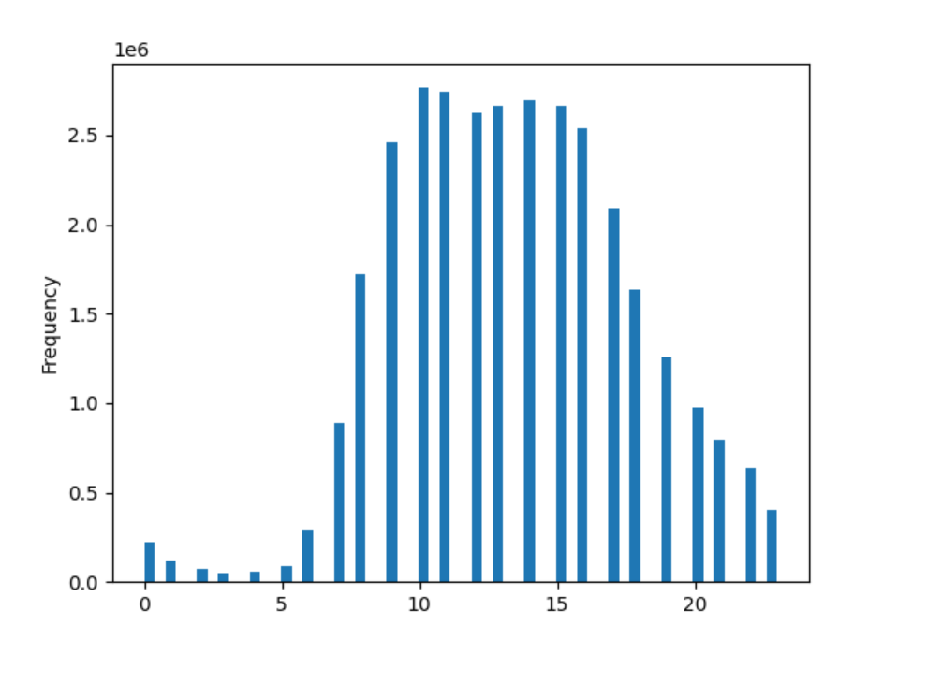

 | The busiest day of the week for groceries is Saturday followed by Sunday, when most orders takes place. Moreover, most orders take place at 10 am and around that time. Eventually the frequency of orders decline. The lowest orders were experienced around 1 am to 4 am.

 | They also want to know whether there are particular times of the day when people spend the most money, as this might inform the type of products they advertise at these times.

 | Spending habits according to the day of the week |  |  |  |  |  | Order hour of the day
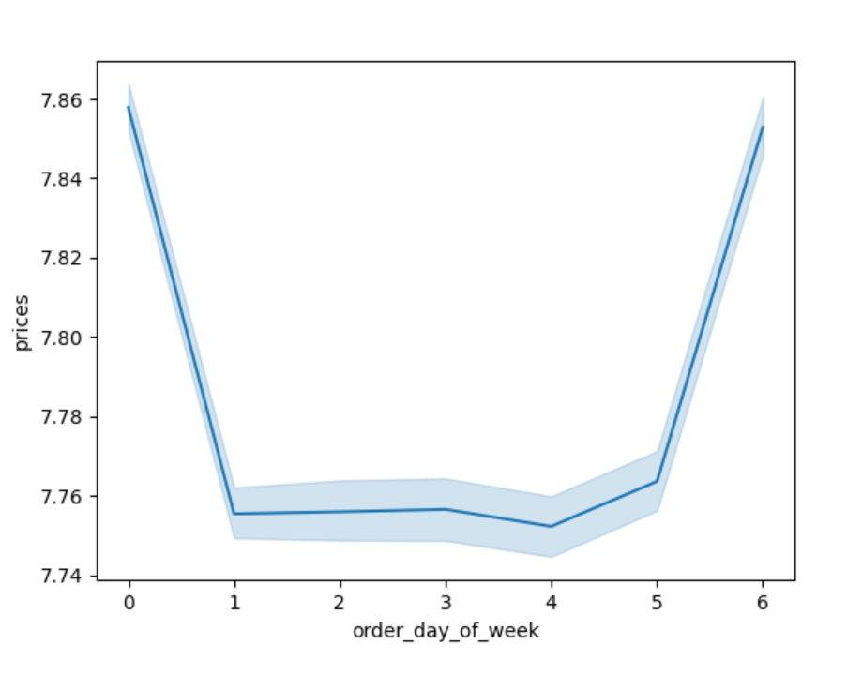
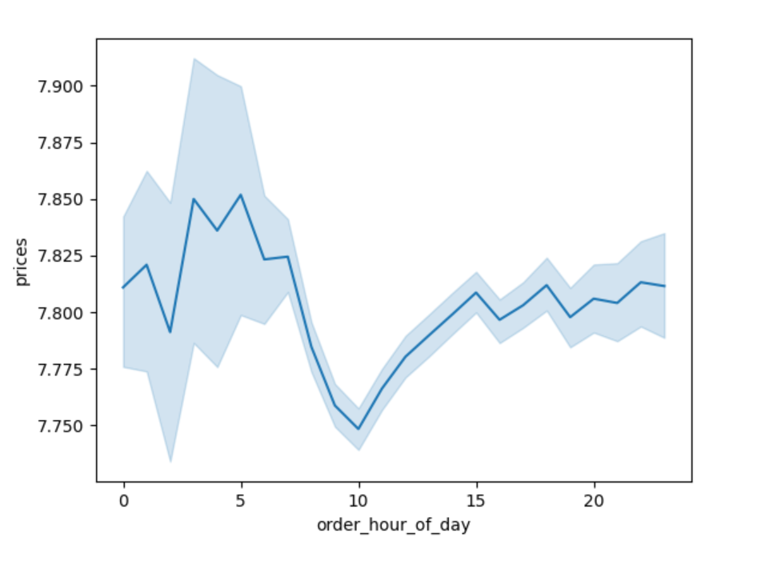

 | Customers buy products that are more expensive on Friday and Saturday and products that are cheaper are bought the rest of the week. Moreover, customers buy cheaper products around 10 am than at others hours of the day.

 |  |  |  | Are there differences in ordering habits based on a customer’s region?
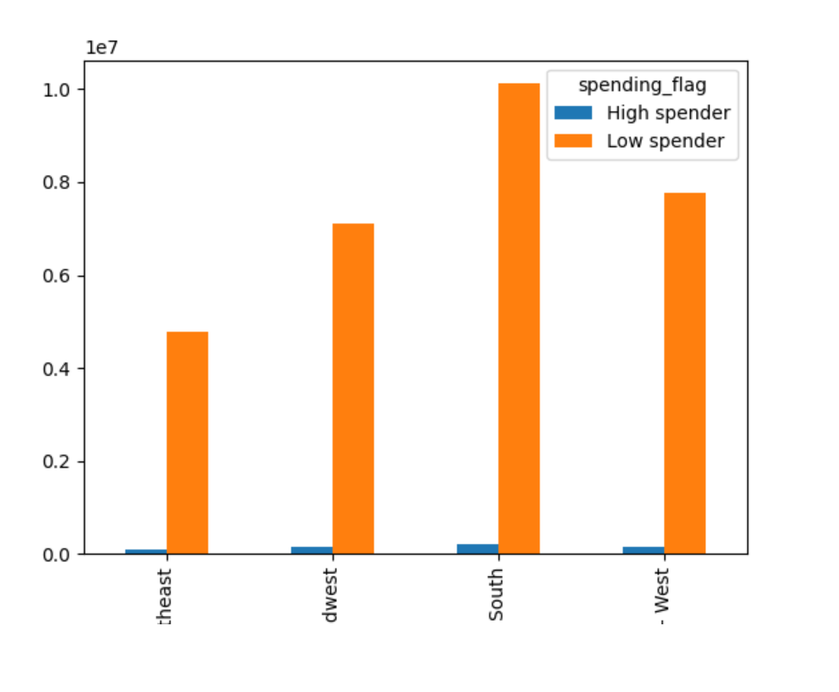

 |  |  |  |  | This bar graph shows that people in general spend considerably more on products whose mean price is less than 10

 |  |  |  |  | Region 3, which is the South, has more spenders - both high and low, than any other region of the US. The low spenders in all regions make up the major chunk of the customers but the South region has the most customers.

 |  | Are there certain types of products that are more popular than others? The marketing and sales teams want to know which departments have the highest frequency of product orders.

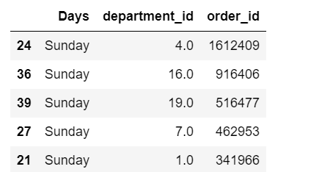
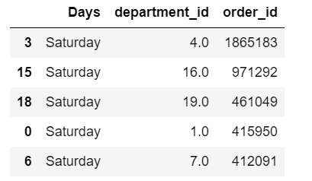

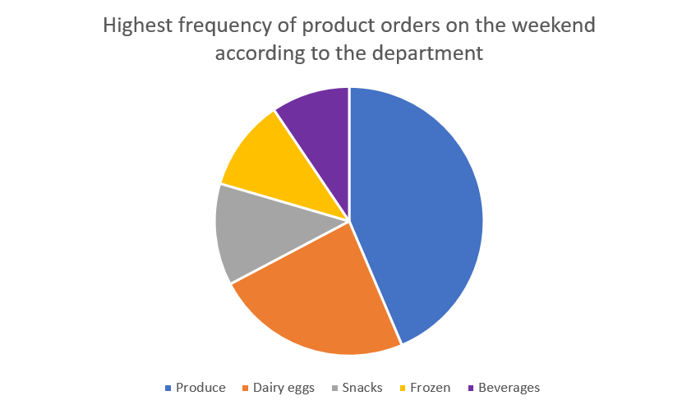

 |  |  |  |  |  | The busiest day of the week for buying groceries is on the weekend and products from the produce department are the most popular, followed by dairy eggs.

 |  | What different classifications does the demographic information suggest? Age? Income? Certain types of goods? Family status?

 |  |  |  | Exploring a connection between age and spending power (income)
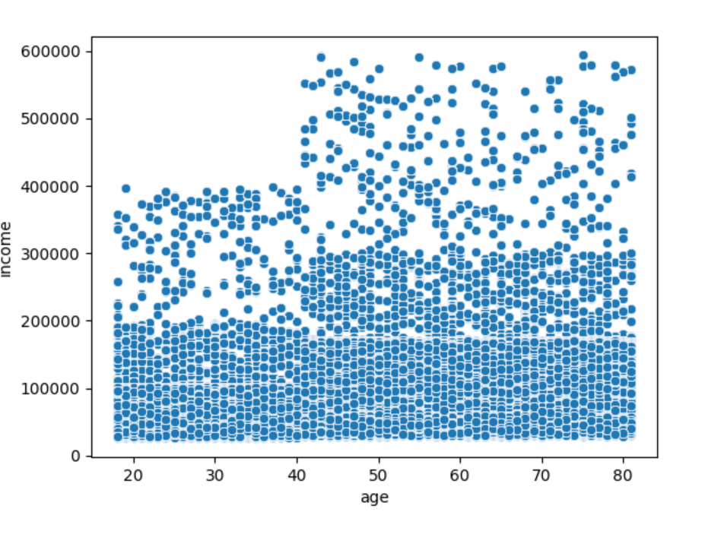

 |  |  |  |  |  |  |  | From the scattorplot, we can deduce that many people, regardless of their age, have salaries ranging from 0 to 20000 dollars. However, many people that are older than 40 have income more than 20000 dollars and fewer people below that age earn that much.

 |  |  | Understanding a relationship between age and number of dependants
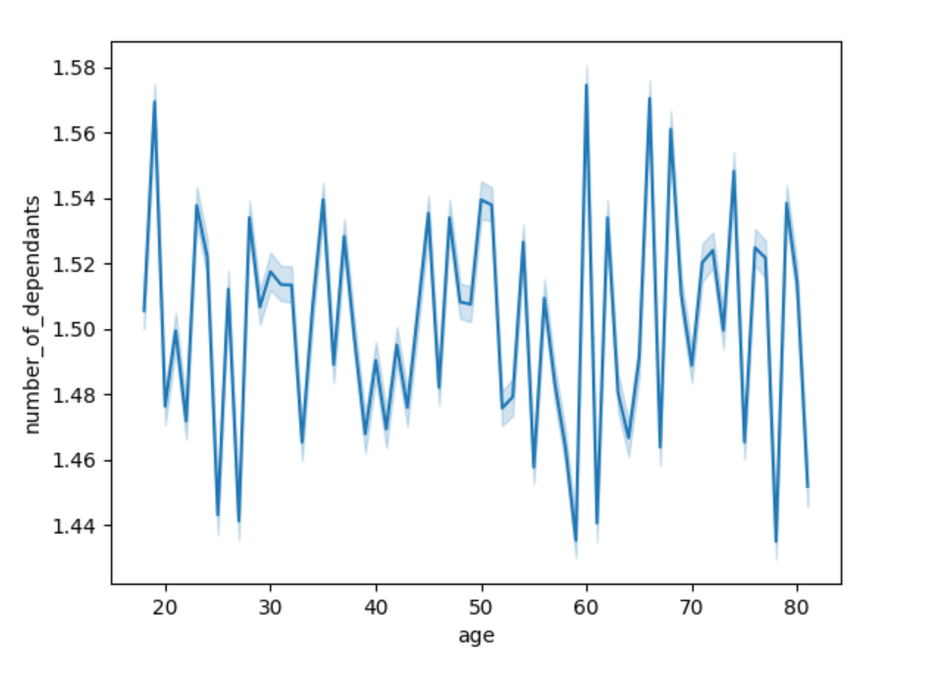

 |  |  |  |  |  |  |  | It is hard to conclude something from the line chart showing the relationship between the number of dependants according to the age of the customers as the chart is chaotic

 |  | What’s the distribution among users in regards to their brand loyalty (i.e., how often do they return to Instacart)?

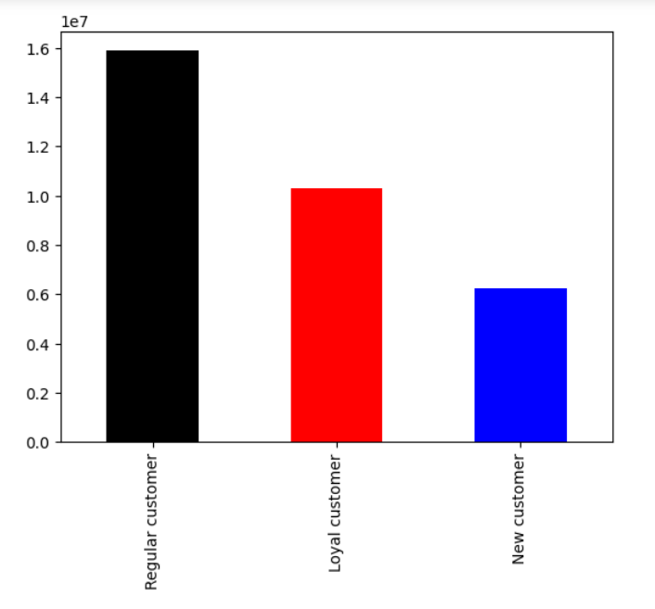

 |  |  |  |  |  |  | The bar chart shows the number of regular, new and loyal customers. The maximum orders were calculated of each customers and if the maximum orders were greater than 40 then they were labeled as 'Loyal customer'. If it were less than or equal to 10, then they were considered as 'New customer'. Otherwise they were a 'Regular customer'.

 |  |  |  |  |  |  | The chart shows that the most common types of customers were regular customers and the least common were new customers

7. Recommendations
 |  | Title page

Recommendations

In this tab you should include any recommendations you would made to Instcart in terms of their marketing strategy based on the questions posed in the brief. Every key question has been covered in the Tasks of the Exercises - here you need to add an item - a visualisation or table/crosstable that is showing the answer in the data, acompanied by a comment from you. Please, list the questions below and add the answer underneath.

Question | Answer
The sales team needs to know what the busiest days of the week and hours of the dayare (i.e., the days and times with the most orders) in order to schedule ads at timeswhen there are fewer orders. | The busiest days of the week are Saturday and Sunday. Moreover, most orders take place at 10 am and around that time. Eventually the frequency of orders decline. The lowest orders were experienced around 1 am to 4 am.
They also want to know whether there are particular times of the day when people spend the most money, as this might inform the type of products they advertise at these times. | 9 am to 4 pm are Instacart's peak hours where Instacart customers are spending the majority of money
Instacart has a lot of products with different price tags. Marketing and sales want to use simpler price range groupings to help direct their efforts | The price ranges have been grouped in three categories - low-range, mid-range and high-range products. If prices are less than or equal to 5 than it is a 'Low-range product'. If the prices are greater than 5 but less than or equal to 15 than then it is a 'Mid-range product', otherwise return 'High-range'. Majority of products fall in line with the low to mid range product groups.
Are there certain types of products that are more popular than others? The marketing and sales teams want to know which departments have the highest frequency of product orders. | The top five orders were from department of produce, dairy eggs, snacks, beverages and frozen.
What’s the distribution among users in regards to their brand loyalty (i.e., how often do they return to Instacart)? | The most common types of customers were regular customers and the least common were new customers.
Are there differences in ordering habits based on a customer’s region? | After reviewing Instacart's customers based on their geographical location in the US, it is clear that the South of the US regions have the highest customer base.
What different classifications does the demographic information suggest? Age? Income? Certain types of goods? Family status? | From the scattorplot, we can deduce that many people, regardless of their age, have salaries ranging from 0 to 20000 dollars. However, many people that are older than 40 have income more than 20000 dollars and fewer people below that age earn that much.
Final recommendation | Majority of products are under $15 dollars so marketing should be focusing on the low to mid range products.

 | Since the South has the highest customer base, Instacart should ensure they have proper marketing there and ensure their customer base remains intact in that region

 | Since the least types of customers are the new ones, more promotions and discounts should be given to make sure Instacart get more new customers

 | The loyal customers should be given discount coupons to encourage them from shopping with Instacart regularly

 | Instacart needs to come up with marketing strategies to boost sale on weekdays as well, since more sales are during the weekends

